TestSummary
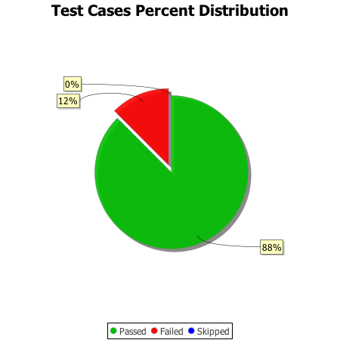
Total Test Cases | 16
Test Cases Passed | 14
Test Cases Failed | 2
Test Cases Skipped | 0

